SOL_CF
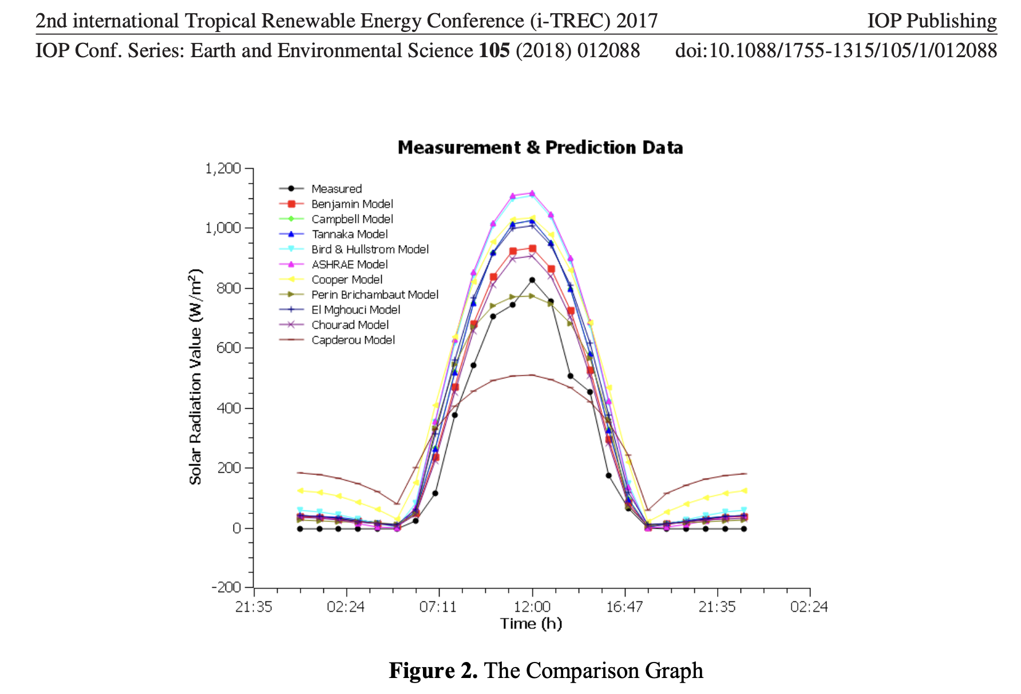
 |  |  |  | 100.00000%
~TFM_INS |  |  |  |  |  | 6920
TimeSlice | Attribute | Year | PSET_SET | AllRegions | Hour | Production
SD | NCAP_AF | 2023 | PP_SOL | 0.496 | 1 | 0
SN | NCAP_AF | 2023 | PP_SOL | 0.004 | 2 | 0
WD | NCAP_AF | 2023 | PP_SOL | 0.496 | 3 | 0
WN | NCAP_AF | 2023 | PP_SOL | 0.004 | 4 | 0
 |  |  |  |  | 5 | 0
 |  |  |  |  | 6 | 50
 |  |  |  |  | 7 | 200
 |  |  |  |  | 8 | 430
 |  |  |  |  | 9 | 700
 |  |  |  |  | 10 | 950
 |  |  |  |  | 11 | 1080
 |  |  |  |  | 12 | 1100
 |  |  |  |  | 13 | 1010
 |  |  |  |  | 14 | 700
 |  |  |  |  | 15 | 450
 |  |  |  |  | 16 | 200
 |  |  |  |  | 17 | 50
 |  |  |  |  | 18 | 0
 |  |  |  |  | 19 | 0
 |  |  |  |  | 20 | 0
 |  |  |  |  | 21 | 0
 |  |  |  |  | 22 | 0
 |  |  |  |  | 23 | 0
 |  |  |  |  | 24 | 0

